Specification
 |  |  |  |  |  |  |  |  |  |  |  |  |  |  |  | MALE/UNISEX | 36 | 37 | 37.5 | 38 | 38.5 | 39.5 | 40 | 40.5 | 41.5 | 42 | 42.5 | 43 | 44 | 44.5 | 45 | 45.5 | 46.5 | 47 | 47.5 | 49 | 50
 |  |  |  |  |  |  |  |  |  |  |  |  |  |  |  | FEMALE |  |  | 35 | 36 | 36.5 | 37 | 37.5 | 38 | 39 | 40 | 40.5 | 41 | 41.5 | 42.5 | 43 | 43.5 | 44
 |  |  |  |  |  |  |  |  |  |  |  |  |  |  |  | 2197 | 2 | 2 | 9 | 53 | 45 | 64 | 147 | 293 | 275 | 240 | 207 | 304 | 169 | 98 | 94 | 66 | 81 | 8 | 15 | 19 | 6
ARTICLE | IMAGE 1 | IMAGE 2 | IMAGE 3 | IMAGE 4 | COLOR | COLOR DESCRIPTION | PRODUCT NAME | SUPPL. DESCRIPTION | COMPOSITION 1 | PARENT GROUP | GENDER | BRAND | MADE IN | WHS | RRP | QTY | 4 | 4- | 5 | 5- | 6 | 6- | 7 | 7- | 8 | 8- | 9 | 9- | 10 | 10- | 11 | 11- | 12 | 12- | 13 | 14 | 15
BB650RGG | 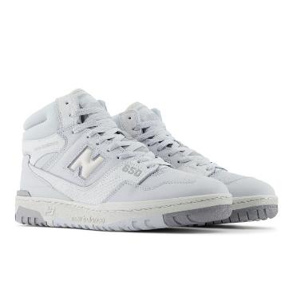 | 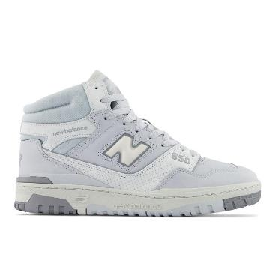 | 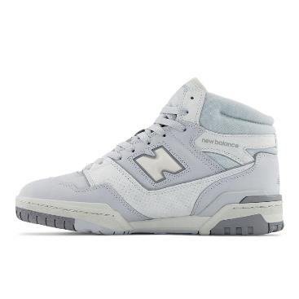 | 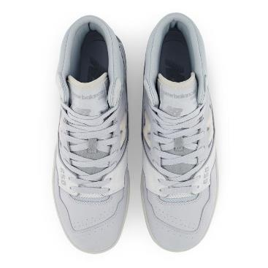 | GREY | GREY | SNEAKERS | SCARPA LIFESTYLE UOMO - MTZ - LEATHER / TEXTILE - GREY | LEATHER/TEXTILE | ADULT | MALE | NEW BALANCE | CHINA | €90.00 | €180.00 | 53 |  |  |  |  |  |  |  | 4 | 4 | 11 | 8 | 14 | 6 | 2 | 2 |  | 2
GM500MG2 | 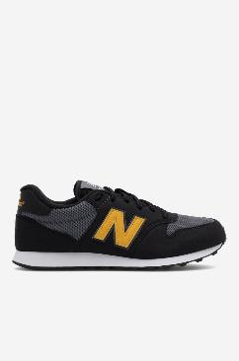 | 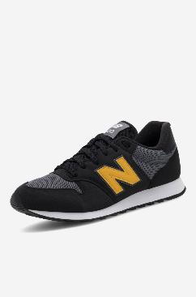 | 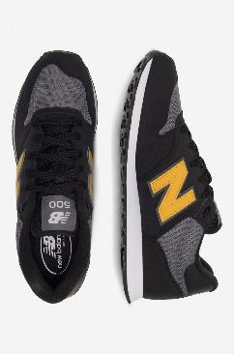 | 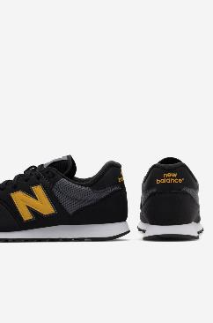 | BLACK | BLACK | SNEAKERS | SCARPE LIFESTYLE MENS - YZZ - SYNTHETIC/MESH - BLACK | NO INFO | ADULT | MALE | NEW BALANCE | INDONESIA | €42.50 | €85.00 | 5 |  |  |  |  |  |  |  |  |  |  |  |  | 1 |  | 4
GM500MN2 |  |  |  |  | VINTAGE INDIGO | VINTAGE INDIGO | SNEAKERS | SCARPE LIFESTYLE MENS - YZZ - SYNTHETIC/MESH - VINTAGE INDIGO | NO INFO | ADULT | MALE | NEW BALANCE | INDONESIA | €42.50 | €85.00 | 1 |  |  |  |  |  |  |  | 1
M1080L12 | 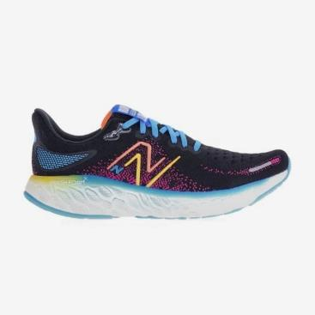 | 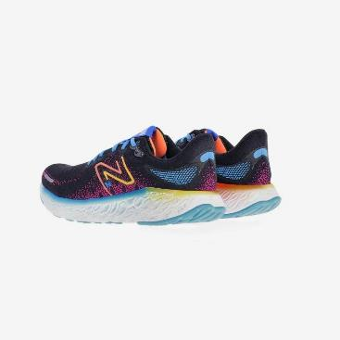 | 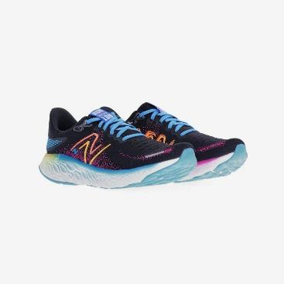 | 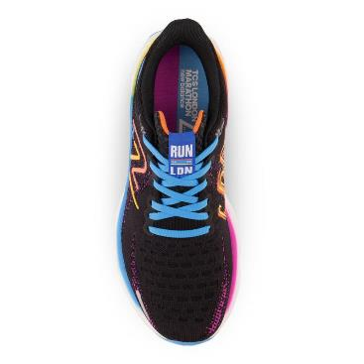 | ELETRIC BLUE | ELETRIC BLUE | SNEAKERS | SCARPA MENS RUNNING LONDON EDITION FRESH FOAM X 1080V12 - | SYNTHETIC TEXTILE | ADULT | MALE | NEW BALANCE | VIETNAM | €95.00 | €190.00 | 4 |  |  |  |  |  |  |  |  |  |  |  | 4
M1080V12 | 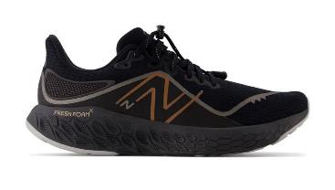 | 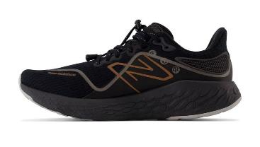 | 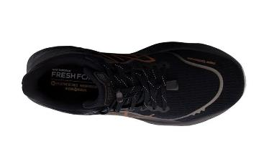 | 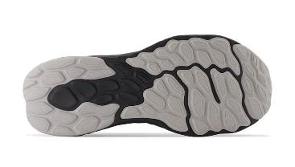 | BLACK | BLACK | SNEAKERS | SCARPA MENS RUNNING WINTER PACK FRESH FOAM X 1080V12 - BLACK | NO INFO | ADULT | MALE | NEW BALANCE | VIETNAM | €100.00 | €200.00 | 1 |  |  |  |  |  |  |  |  |  |  |  | 1
M1080X12 | 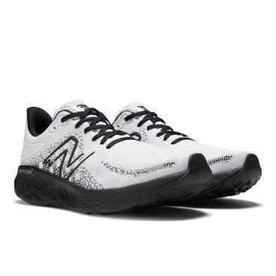 | 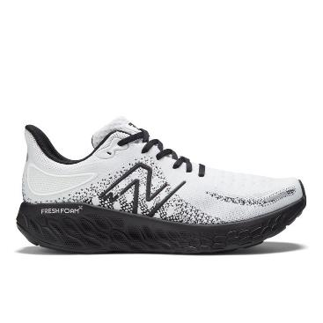 | 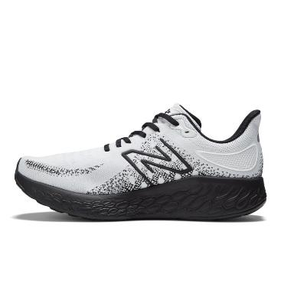 | 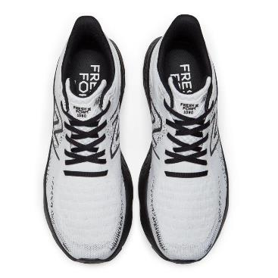 | MUNSELL WHITE | MUNSELL WHITE | SNEAKERS | SCARPA MENS RUNNING FRESH FOAM X 1080V12 - MUNSELL WHITE | SYNTHETIC TEXTILE | ADULT | MALE | NEW BALANCE | VIETNAM | €95.00 | €190.00 | 66 |  |  |  |  |  |  | 7 |  | 6 | 4 | 7 | 10 | 14 | 7 | 9 | 2
M1080X12 |  |  |  |  | WHITE | WHITE | SNEAKERS | SCARPA MENS RUNNING FRESH FOAM X 1080V12 - MUNSELL WHITE | SYNTHETIC TEXTILE | ADULT | MALE | NEW BALANCE | VIETNAM | €95.00 | €190.00 | 10 |  |  |  |  |  |  |  |  |  |  |  |  |  |  |  |  | 10
M520BG7 | 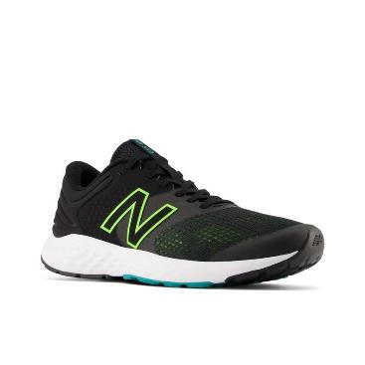 | 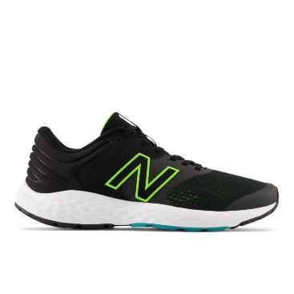 | 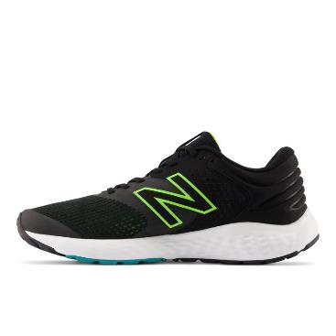 | 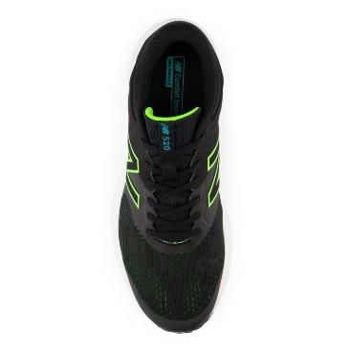 | BLACK | BLACK | SNEAKERS | SCARPA MENS RUNNING 520V7 - BLACK | SYNTHETIC TEXTILE | ADULT | MALE | NEW BALANCE | INDONESIA | €40.00 | €80.00 | 46 |  |  |  |  |  |  |  | 3 | 6 | 9 | 9 | 19
M680LB6 | 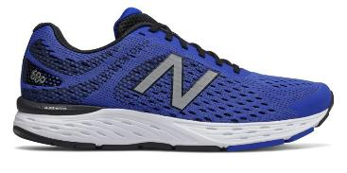 | 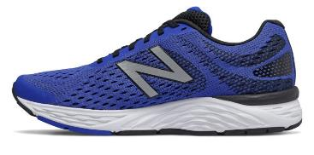 | 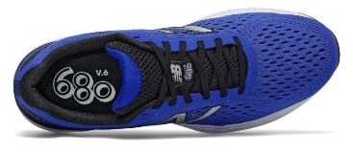 | 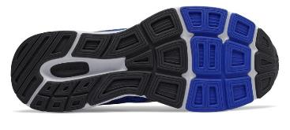 | BRIGHT BLUE | BRIGHT BLUE | SNEAKERS | SCARPA MENS FITNESS RUNNING 680V6 - BRIGHT BLUE | SYNTHETIC TEXTILE | ADULT | MALE | NEW BALANCE | VIETNAM | €50.00 | €100.00 | 10 |  |  |  |  |  |  |  |  |  |  |  |  | 10
M680LB6 |  |  |  |  | BRIGHT BLUE D | BRIGHT BLUE D | SNEAKERS | SCARPA MENS FITNESS RUNNING 680V6 - BRIGHT BLUE | SYNTHETIC TEXTILE | ADULT | MALE | NEW BALANCE | VIETNAM | €50.00 | €100.00 | 12 |  |  |  |  |  |  |  |  |  |  | 6 | 4 |  | 2
M860C12 | 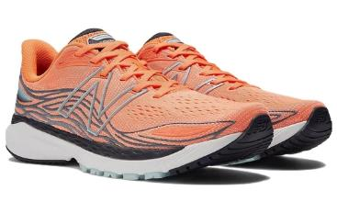 | 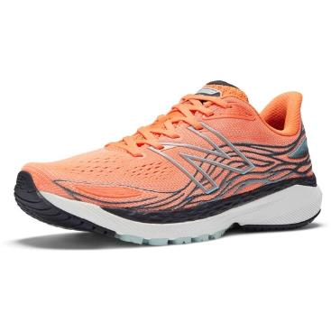 | 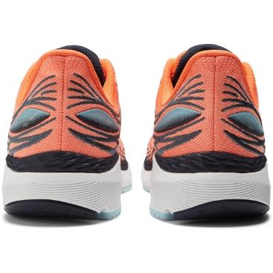 | 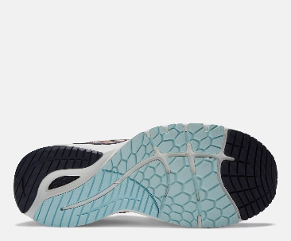 | VIBRANT ORANGE | VIBRANT ORANGE | SNEAKERS | FOOTWEAR | SYNTHETIC TEXTILE | ADULT | MALE | NEW BALANCE | VIETNAM | €75.00 | €150.00 | 4 |  |  |  |  |  |  |  |  |  |  |  |  |  |  |  | 2 | 2
M860L13 | 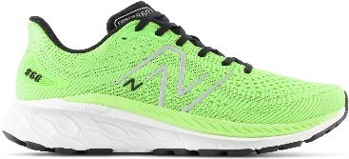 | 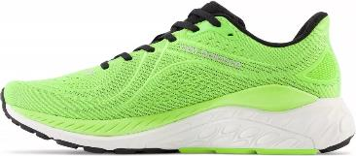 | 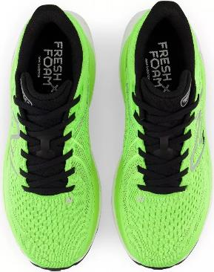 |  | GREEN | GREEN | SNEAKERS | FOOTWEAR | SYNTHETIC TEXTILE | ADULT | MALE | NEW BALANCE | VIETNAM | €80.00 | €160.00 | 53 |  |  |  |  |  |  |  | 2 | 5 | 4 | 9 | 10 | 10 | 7 | 4 | 2
M88012Y | 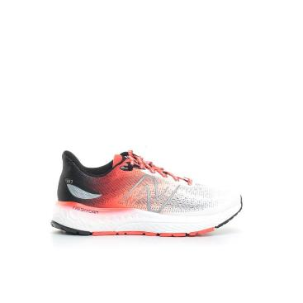 | 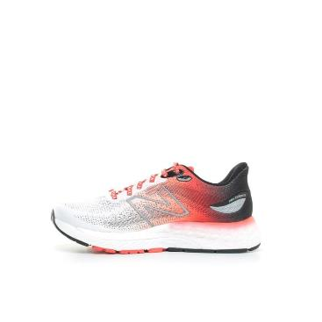 | 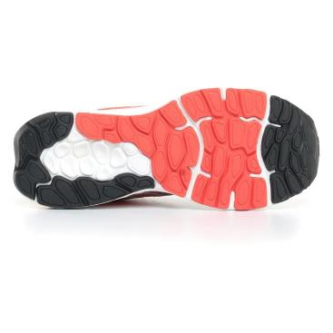 | 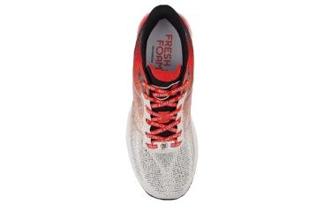 | WHITE/RED | WHITE/RED | SNEAKERS | SCARPA MENS RUNNING DEEJAY TEN EDITION FRESH FOAM X 880 V12 - WHITE/RED | NO INFO | ADULT | MALE | NEW BALANCE | VIETNAM | €80.00 | €160.00 | 13 |  |  |  |  |  |  |  |  |  |  |  | 3 | 3 | 5 | 2
M880E12 | 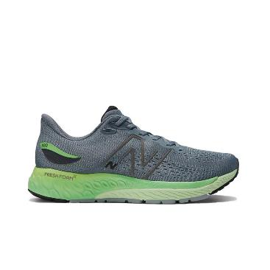 | 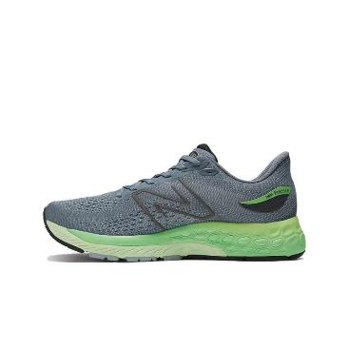 | 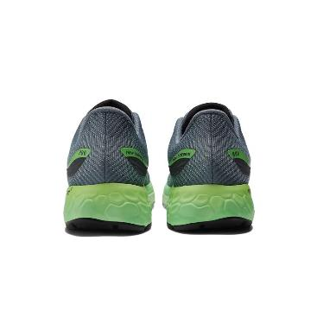 | 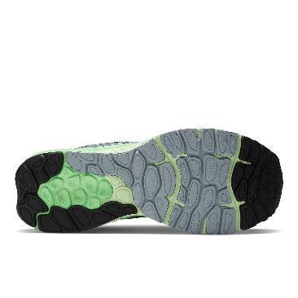 | OCEAN GREY | OCEAN GREY | SNEAKERS | FOOTWEAR | SYNTHETIC TEXTILE | ADULT | MALE | NEW BALANCE | VIETNAM | €75.00 | €150.00 | 5 |  |  |  |  |  |  |  |  |  |  | 3 | 2
M880N12 | 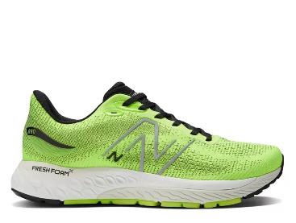 | 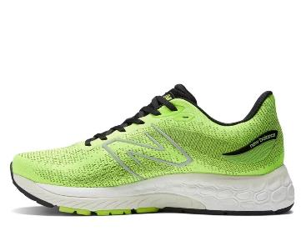 | 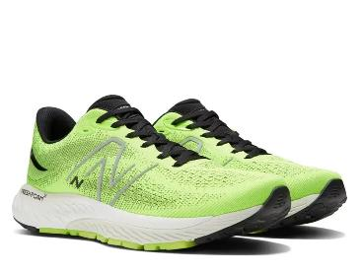 | 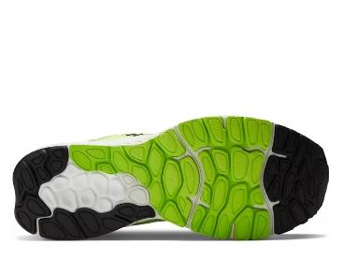 | PIXEL GREEN | PIXEL GREEN | SNEAKERS | FOOTWEAR | SYNTHETIC TEXTILE | ADULT | MALE | NEW BALANCE | VIETNAM | €80.00 | €160.00 | 153 |  |  |  |  |  |  | 5 | 6 | 12 | 21 | 21 | 24 | 23 | 12 | 13 | 9 | 5 | 2
M880R12 | 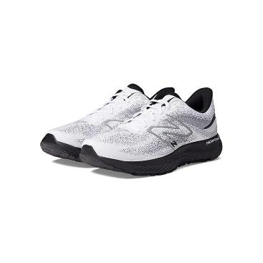 | 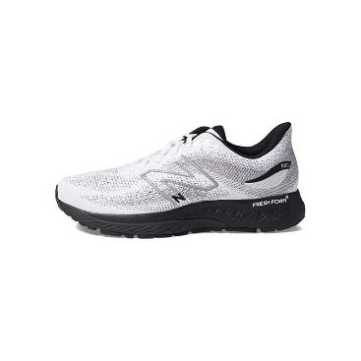 | 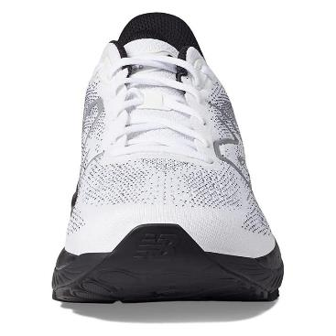 |  | WHITE | WHITE | SNEAKERS | SCARPA MENS RUNNING FRESH FOAM X 880 V12 - MUNSELL WHITE | NO INFO | ADULT | MALE | NEW BALANCE | VIETNAM | €80.00 | €160.00 | 9 |  |  |  |  |  |  |  |  | 2 |  | 2 |  |  |  |  |  | 2 | 3
MCH796P3 |  |  |  |  | BLUE | BLUE | SNEAKERS | SCARPA MENS TENNIS PADEL 796V3 - BLUE | NO INFO | ADULT | MALE | NEW BALANCE | VIETNAM | €47.50 | €95.00 | 12 |  |  |  |  |  |  |  |  |  |  | 2 |  | 2 | 3 | 1 | 4
MEVOZCO2 |  |  |  |  | BLACK | BLACK | SNEAKERS | SCARPA MENS RUNNING FRESH FOAM EVOZV2 - BLACK | SYNTHETIC TEXTILE | ADULT | MALE | NEW BALANCE | VIETNAM | €60.00 | €120.00 | 128 |  |  |  |  |  |  |  |  | 6 | 11 | 10 | 38 | 17 | 11 | 15 | 11 | 9
MFCPRCD3 |  |  |  |  | BLACK | BLACK | SNEAKERS | SCARPA MENS RUNNING FUELCELL PROPEL V3 - BLACK | SYNTHETIC TEXTILE | ADULT | MALE | NEW BALANCE | VIETNAM | €60.00 | €120.00 | 2 |  |  |  |  |  |  |  |  |  |  | 1 |  | 1
MFCRRLE |  |  |  |  | VICTORY BLUE | VICTORY BLUE | SNEAKERS | SCARPA MENS RACING FUELCELL SUPERCOMP PACER - VICTORY BLUE | SYNTHETIC TEXTILE | ADULT | MALE | NEW BALANCE | VIETNAM | €95.00 | €190.00 | 17 |  |  |  |  |  |  |  |  | 2 | 4 | 5 | 3 |  | 3
MFCXCG3 |  |  |  |  | LIGHT ALUMINUM | LIGHT ALUMINUM | SNEAKERS | SCARPA MENS RUNNING FUELCELL REBEL V3 - LIGHT ALUMINUM | SYNTHETIC TEXTILE | ADULT | MALE | NEW BALANCE | VIETNAM | €75.00 | €150.00 | 3 |  |  |  |  |  |  |  |  |  |  |  | 1 |  |  |  | 2
ML373TG2 |  |  |  |  | CASTLEROCK | CASTLEROCK | SNEAKERS | SCARPE LIFESTYLE MENS - MTZ - LEATHER / TEXTILE / OTHER - CASTLEROCK | NO INFO | ADULT | MALE | NEW BALANCE | INDONESIA | €45.00 | €90.00 | 2 |  |  |  |  |  |  |  |  |  |  |  |  |  |  |  |  | 1 |  | 1
ML515AN3 |  |  |  |  | VINTAGE INDIGO | VINTAGE INDIGO | SNEAKERS | SCARPE LIFESTYLE MENS - MTZ - LEATHER / TEXTILE / OTHER - VINTAGE INDIGO | NO INFO | ADULT | MALE | NEW BALANCE | INDONESIA | €45.00 | €90.00 | 4 |  |  |  |  |  |  |  |  |  |  |  |  | 2 | 2
ML515AO3 |  |  |  |  | DARK MOSS | DARK MOSS | SNEAKERS | SCARPE LIFESTYLE MENS - MTZ - LEATHER / TEXTILE / OTHER - DARK MOSS | NO INFO | ADULT | MALE | NEW BALANCE | INDONESIA | €45.00 | €90.00 | 2 |  |  |  |  |  |  |  |  |  |  |  |  |  | 2
MMORWT4 |  |  |  |  | WHITE | WHITE | SNEAKERS | SCARPA MENS RUNNING FRESH FOAM X MORE V4 - WHITE | NO INFO | ADULT | MALE | NEW BALANCE | VIETNAM | €80.00 | €160.00 | 69 |  |  |  |  |  |  |  | 2 | 10 | 17 | 14 | 26
MRCXCR2 |  |  |  |  | ELECTRIC RED | ELECTRIC RED | SNEAKERS | SCARPA MENS RUNNING FUELCELL SUPERCOMP TRAINER - ELECTRIC RED | SYNTHETIC TEXTILE | ADULT | MALE | NEW BALANCE | VIETNAM | €115.00 | €230.00 | 12 |  |  |  |  |  |  |  | 3 | 2 |  |  | 2 | 3 |  |  | 2
MRCXLG2 |  |  |  |  | BLUE | BLUE | SNEAKERS | SCARPA MENS RUNNING FUELCELL SUPERCOMP TRAINER - BLUE | SYNTHETIC TEXTILE | ADULT | MALE | NEW BALANCE | VIETNAM | €115.00 | €230.00 | 8 |  |  |  |  |  |  |  | 2 | 2 | 4
MROAVRN2 |  |  |  |  | BLACK/BLEACHED LIME GLO | BLACK/BLEACHED LIME GLO | SNEAKERS | SCARPA MENS RUNNING FRESH FOAM ROAV V2 - BLACK/BLEACHED LIME GLO | SYNTHETIC TEXTILE | ADULT | MALE | NEW BALANCE | VIETNAM | €50.00 | €100.00 | 59 |  |  |  |  |  |  | 2 |  |  |  | 4 | 8 | 8 | 3 | 3 | 5 | 6 |  | 6 | 8 | 6
MTHIERN7 |  |  |  |  | RED | RED | SNEAKERS | SCARPA MENS TRAIL FRESH FOAM X HIERRO V7 - RED | NO INFO | ADULT | MALE | NEW BALANCE | VIETNAM | €80.00 | €160.00 | 44 |  |  |  |  |  |  | 2 | 4 | 8 |  | 14 |  | 2 | 2 | 2 |  |  | 2 | 2 | 6
MVNGOCG5 |  |  |  |  | BLUE | BLUE | SNEAKERS | SCARPA MENS RUNNING FRESH FOAM X VONGO V5 - BLUE | SYNTHETIC TEXTILE | ADULT | MALE | NEW BALANCE | VIETNAM | €90.00 | €180.00 | 25 |  |  |  |  |  |  |  |  |  | 4 | 4 | 6 | 6 | 2 | 1 | 2
NBM680LK6 |  |  |  |  | BLACK | BLACK | SNEAKERS | SCARPA RUNNING MENS BLACK | SYNTHETIC TEXTILE | ADULT | MALE | NEW BALANCE | VIETNAM | €50.00 | €100.00 | 34 |  |  |  |  |  |  | 2 |  |  | 4 |  |  |  |  | 4 | 7 | 9 |  | 4 | 4
NBML373CB2 |  |  |  |  | GREEN/WHITE | GREEN/WHITE | SNEAKERS | SCARPE LIFESTYLE MENS - MTZ - LEATHER / TEXTILE / OTHER - GREEN/WHITE | NO INFO | ADULT | MALE | NEW BALANCE | INDONESIA | €45.00 | €90.00 | 34 |  |  |  |  |  |  |  |  | 4 | 2 |  |  |  | 12 | 10 | 6
UMDELRE2 |  |  |  |  | ORANGE | ORANGE | SNEAKERS | SCARPA MENS RUNNING FUELCELL SUPERCOMP MD-X V2 - ORANGE | SYNTHETIC TEXTILE | ADULT | MALE | NEW BALANCE | VIETNAM | €110.00 | €220.00 | 62 |  |  |  |  |  |  | 6 | 6 | 5 | 5 | 7 | 17 | 8 | 4 | 3 | 1
CW997HSM |  |  |  |  | TIMBERWOLF | TIMBERWOLF | SNEAKERS | SCARPE LIFESTYLE WOMENS - MTZ - LEATHER / TEXTILE / OTHER - TIMBERWOLF | NO INFO | ADULT | FEMALE | NEW BALANCE | INDONESIA | €55.00 | €110.00 | 1 |  |  |  |  |  |  |  | 1
GW500GB2 |  |  |  |  | BLACK METALLIC | BLACK METALLIC | SNEAKERS | SCARPE LIFESTYLE WOMENS - YZZ - SYNTHETIC/MESH - BLACK METALLIC | NO INFO | ADULT | FEMALE | NEW BALANCE | INDONESIA | €42.50 | €85.00 | 1 |  |  |  |  |  |  |  |  |  | 1
GW500GP2 |  |  |  |  | METALLIC ROSE | METALLIC ROSE | SNEAKERS | SCARPE LIFESTYLE WOMENS - YZZ - SYNTHETIC/MESH - METALLIC ROSE | NO INFO | ADULT | FEMALE | NEW BALANCE | INDONESIA | €42.50 | €85.00 | 6 |  |  |  | 1 |  |  |  |  | 1 | 2 |  | 2
GW500SD2 |  |  |  |  | DRIFTWOOD | DRIFTWOOD | SNEAKERS | SCARPE LIFESTYLE WOMENS - YZZ - SYNTHETIC/MESH - DRIFTWOOD | NO INFO | ADULT | FEMALE | NEW BALANCE | INDONESIA | €42.50 | €85.00 | 3 |  |  |  | 2 |  |  |  |  |  |  |  |  |  | 1
GW500SG2 |  |  |  |  | GREY MATTER | GREY MATTER | SNEAKERS | SCARPE LIFESTYLE WOMENS - YZZ - SYNTHETIC/MESH - GREY MATTER | NO INFO | ADULT | FEMALE | NEW BALANCE | INDONESIA | €42.50 | €85.00 | 3 |  |  |  |  |  |  |  |  |  |  |  |  | 1 | 2
GW500SN2 |  |  |  |  | VINTAGE INDIGO | VINTAGE INDIGO | SNEAKERS | SCARPE LIFESTYLE WOMENS - YZZ - SYNTHETIC/MESH - VINTAGE INDIGO | NO INFO | ADULT | FEMALE | NEW BALANCE | INDONESIA | €42.50 | €85.00 | 5 |  |  |  |  |  |  |  |  | 1 |  |  | 2 | 1 | 1
NBGW500GKG |  |  |  |  | GREY/GOLD | GREY/GOLD | SNEAKERS | SCARPE LIFESTYLE WOMENS - VTZ - TEXTILE&OTHER/TEXTILE/OTHER - GREY/GOLD | NO INFO | ADULT | FEMALE | NEW BALANCE | VIETNAM | €42.50 | €85.00 | 1 |  |  | 1
W1080F12 |  |  |  |  | PHANTOM / BLACK | PHANTOM / BLACK | SNEAKERS | SCARPA WOMENS RUNNING FRESH FOAM X 1080V12 - PHANTOM / BLACK | SYNTHETIC TEXTILE | ADULT | FEMALE | NEW BALANCE | VIETNAM | €95.00 | €190.00 | 18 |  |  |  |  |  |  |  |  |  |  | 9 | 9
W1080F12 |  |  |  |  | PHANTOM/BLACK | PHANTOM/BLACK | SNEAKERS | SCARPA WOMENS RUNNING FRESH FOAM X 1080V12 - PHANTOM / BLACK | SYNTHETIC TEXTILE | ADULT | FEMALE | NEW BALANCE | VIETNAM | €95.00 | €190.00 | 145 |  |  |  | 7 | 5 | 14 | 16 | 49 | 40 | 14
W1080H12 |  |  |  |  | ELECTRIC PURPLE | ELECTRIC PURPLE | SNEAKERS | SCARPA WOMENS RUNNING FRESH FOAM X 1080V12 - ELECTRIC PURPLE | SYNTHETIC TEXTILE | ADULT | FEMALE | NEW BALANCE | VIETNAM | €95.00 | €190.00 | 62 |  |  |  | 4 | 4 | 5 | 16 | 21 | 8 | 4
W1080I12 |  |  |  |  | NIMBUS CLOUD | NIMBUS CLOUD | SNEAKERS | SCARPA WOMENS RUNNING WINTER PACK FRESH FOAM X 1080V12 - NIMBUS CLOUD | SYNTHETIC TEXTILE | ADULT | FEMALE | NEW BALANCE | VIETNAM | €100.00 | €200.00 | 14 |  |  |  |  |  |  | 1 |  |  | 4 | 4 | 5
W1080N12 |  |  |  |  | BLACK/BLUE | BLACK/BLUE | SNEAKERS | SCARPA WOMENS RUNNING LONDON EDITION FRESH FOAM X 1080V12 - | SYNTHETIC TEXTILE | ADULT | FEMALE | NEW BALANCE | VIETNAM | €95.00 | €190.00 | 4 |  |  |  |  | 2 |  |  |  |  |  |  |  | 2
W1080O12 |  |  |  |  | LIGHT GREY | LIGHT GREY | SNEAKERS | SCARPA WOMENS RUNNING FRESH FOAM X 1080V12 - LIGHT GREY "CARDIGAN PACK" | SYNTHETIC TEXTILE | ADULT | FEMALE | NEW BALANCE | USA | €95.00 | €190.00 | 81 |  |  |  | 9 | 6 | 5 | 10 | 21 | 19 | 8 | 1 | 2
W520CP7 |  |  |  |  | BLACK | BLACK | SNEAKERS | SCARPA WOMENS RUNNING 520V7 - BLACK | SYNTHETIC TEXTILE | ADULT | FEMALE | NEW BALANCE | INDONESIA | €40.00 | €80.00 | 63 |  |  |  |  |  |  |  | 23 | 24 | 16
W860G13 |  |  |  |  | GREY | GREY | SNEAKERS | FOOTWEAR | SYNTHETIC TEXTILE | ADULT | FEMALE | NEW BALANCE | VIETNAM | €80.00 | €160.00 | 68 |  |  |  |  |  | 1 | 3 | 9 | 12 | 14 | 11 | 11 | 7
W88012Y |  |  |  |  | WHITE/PINK | WHITE/PINK | SNEAKERS | SCARPA WOMENS RUNNING DEEJAY TEN EDITION FRESH FOAM X 880 V12 - WHITE/PINK | NO INFO | ADULT | FEMALE | NEW BALANCE | VIETNAM | €80.00 | €160.00 | 47 |  |  |  |  |  |  | 10 | 16 | 10 | 3 | 4 | 4
W880B12 |  |  |  |  | BLACK | BLACK | SNEAKERS | FOOTWEAR | SYNTHETIC TEXTILE | ADULT | FEMALE | NEW BALANCE | VIETNAM | €80.00 | €160.00 | 57 |  |  |  | 8 | 4 | 7 | 18 | 18 | 2
W880D12 |  |  |  |  | VIOLET SHADOW | VIOLET SHADOW | SNEAKERS | FOOTWEAR | SYNTHETIC TEXTILE | ADULT | FEMALE | NEW BALANCE | VIETNAM | €80.00 | €160.00 | 47 |  |  |  |  |  | 1 | 10 | 17 | 10 | 3 | 2 | 4
W880H12 |  |  |  |  | BRIGHT LAPIS | BRIGHT LAPIS | SNEAKERS | FOOTWEAR | SYNTHETIC TEXTILE | ADULT | FEMALE | NEW BALANCE | VIETNAM | €80.00 | €160.00 | 1 |  |  |  |  |  |  |  | 1
W880P12 |  |  |  |  | VIBRANT PINK B | VIBRANT PINK B | SNEAKERS | FOOTWEAR | SYNTHETIC TEXTILE | ADULT | FEMALE | NEW BALANCE | VIETNAM | €75.00 | €150.00 | 2 |  |  |  |  |  |  | 2
W880T12 |  |  |  |  | BLACK | BLACK | SNEAKERS | SCARPA WOMENS RUNNING CELEBRATE PACK FRESH FOAM X 880 V12 - BLACK | NO INFO | ADULT | FEMALE | NEW BALANCE | VIETNAM | €80.00 | €160.00 | 69 |  |  |  | 2 | 2 | 5 | 13 | 16 | 14 | 6 | 5 | 6
WCH796P3 |  |  |  |  | WHITE | WHITE | SNEAKERS | SCARPA WOMENS TENNIS PADEL 796V3 - WHITE | SYNTHETIC TEXTILE | ADULT | FEMALE | NEW BALANCE | VIETNAM | €47.50 | €95.00 | 12 |  |  |  |  |  |  | 3 |  | 6 | 2 |  | 1
WL515CI3 |  |  |  |  | MERCURY BLUE | MERCURY BLUE | SNEAKERS | SCARPE LIFESTYLE WOMENS - MTZ - LEATHER / TEXTILE / OTHER - MERCURY BLUE | NO INFO | ADULT | FEMALE | NEW BALANCE | INDONESIA | €45.00 | €90.00 | 3 |  |  |  |  | 1 |  |  |  | 1 | 1
...

